Table 1
g
In y_,o Țt_a_țg țÿ@v,gçsitÿ; | Pasa .

Table 4
—
HOD's SigiùDłłte —, Dean's Sign/DuEe

Table 10
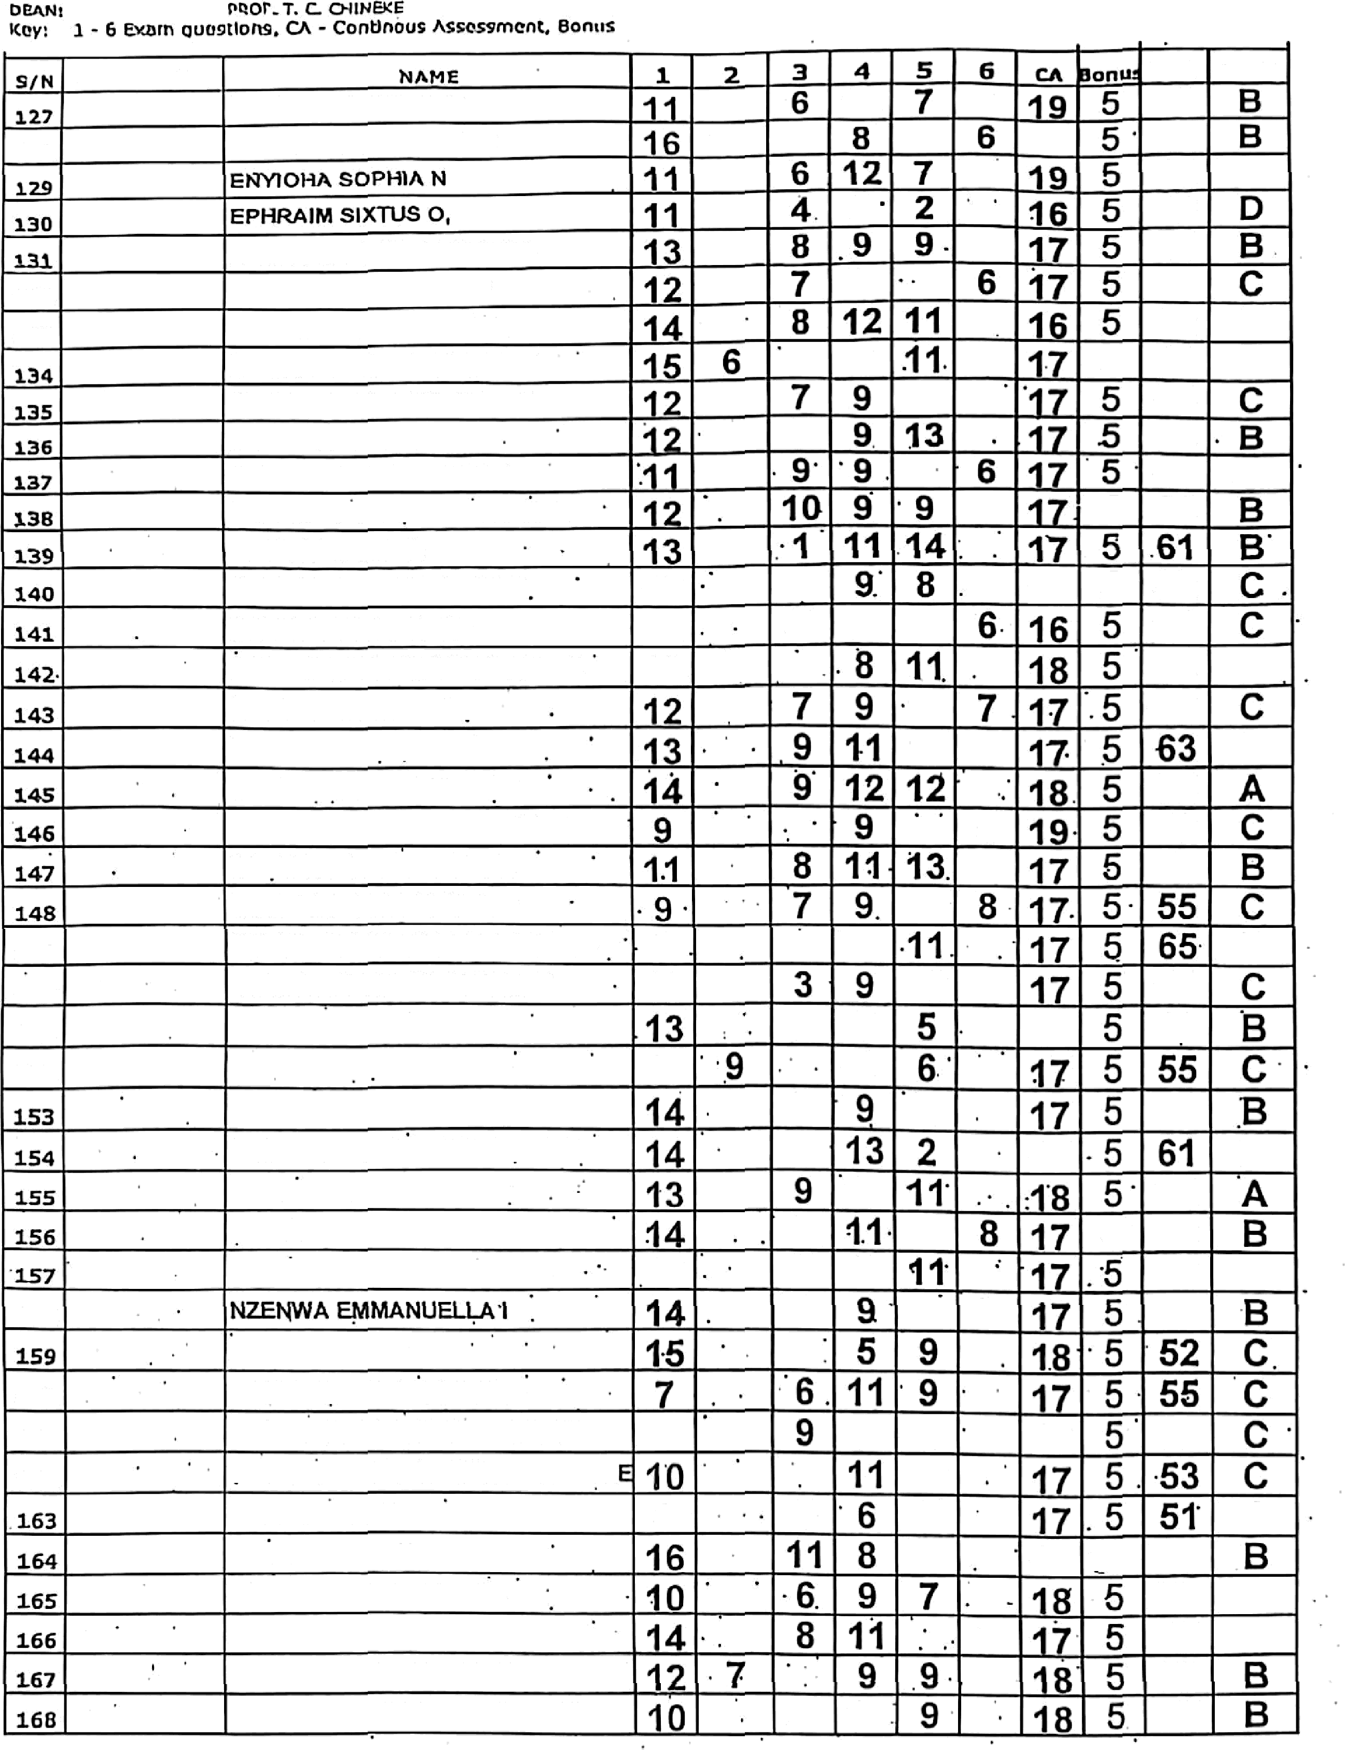
Leciurcr's Sign/D¡itc
fIOD's Sigii/Date
I_zzwo Stat_g_ ?iïj”niv,e•"s2i•ïr›
ww ewd , P . M . B . 2 0 0 0
COHPUTER SQWNC6
P'aoot
OFFICIRIs?€iRADE REPORY SHEET
cotmss cooe
cscas
L£ 'Tt1DRR’S HAHti
HOD:
I tATR1C NO.
EMENUGHA VICTOR I
12
TOT DRADE
60
151
152
NWAGWU JUSTÏN N NWAKAUNNA JOSHUA C' NWAMADI CHIJINDU MAXWEkL NWANERI CHUEWUMA JOSEPH NWANGI CHIGOZIRIM'G NWAUBA MARYJANE C
NWOKEFORO IKECHUKWU C
12 .7
8
.7
.10
14
10
18
60
10
’8
60
17
B
70
‘10
7
8
10
158
10
5 65
6g " B
63
160
161
162
O8ASI ESTHER’
OBIKA CHIJIOKE MICHEAL
OBILO MIRACLE UCHECHUKwU
OBIOMA MICHAEL CHINAZAEXPER OGBONNA FAVOUR DAMILOLA
. g
10
6
10
7
17
56
9
7
Dcsu's Sign/Date

Table 12
PnY@aa/sa8Nczi ”, P : M , B . 2 0 0 0
_
sin | nATRzc nO | nAi'4e | 1 | 2 | ‘ 3 | 4 | * | 6 | CA | Do•u | TOT | GRADE
tt |  | oxexmineoi usoc uxwu e | 15 |  | 8 | 11 | 7 |  | 17 |  | 63
yg |  | OKPARA EMMANUEL I | g |  | 9 | 6 | 9 |  | 17 | 5 | 54 | C
 |  | OLADIPOKOLAWOLEANDERSON | 11 |  | 8 | 12 | 15 |  | 19 |  | 70 | A
 |  | ONYEIJECHARLESCHIBUEZE | 13 | 10 |  | 9 | 10 |  | 17 | 5 | 64
 |  | ONYEKWEREOBINNA'JOSHUA . | 1g |  | 9 | 11 | 8 |  | 17 | 5 | 60 | B
 |  | ONYEKWOGAIA-DANIELC | 12 |  | 11 | 13 | 1.0 |  | 19 |  | 70 | A
175 |  | ONYESO'AMARACHIROSEMARY | 13 |  | 9 | 11 |  | 9 | 17 | 5 | 64 | B
 |  | OSIEGWEBENNETH'CHUKWUNW | E12 |  | 7 | 9 | 11 |  | 17 | 5 | 61 | B
 |  | OSONDUCHIJINDUJONATHAN | 11 |  | 7 | 9 | 10 |  | 18 | . | 60 | B
178 |  | SAMUELERCtYO | 14 |  | 6 | ’9 | 13 |  | 17 |  | 64 | B
 |  | SOLOMONYOCHUKW}J6 | 13 |  | 10 | 11 | 11 |  | 17 |  | 67 | B
 |  | uKAEceucnzeuzxEniuncc | g |  | 3 | 8 | 6 |  | 19 | 5 | 50 | C”
181 |  | ULOEME'IFENNAEMMANUEL | 11 |  |  | 10 | ”11 |  | 19 | 5 | 45 | D.
182 |  | UZUKWUHENRYC. | 1.1 |  |  | 8 | 12 | 11 | 17 |  | 64 | B

 |  | CARRY OVER
 | 16/38263 | UWAKWE DARLINGTON C.' | 8 |  | 7 | 9 | 11 |  | 18 | 7 | 60 | B
z | 16/39482 | sxuuzu usocnuxwu c. ” | 6 |  | 11 | ’7 |  | 9 | 17 | 7 | 57 | C
 | 16iDE/38824 | oxu zocuuxwu oxnuxs • | 11 |  | 9 | 9 |  | 6 | 18 | 7 | 60 | B
,t | 17/40295 | FELJX.GODS. FAVOUR | 10 | 7 | 7 | 8 |  |  | 17 | 7 | 56 | C
 |  | qnuwosu AuARACHI | 11 | 10 |  | 8 |  | 5 | 19 | 7 | 60 | B
 |  | x
 |  | ÉW/

Table 23
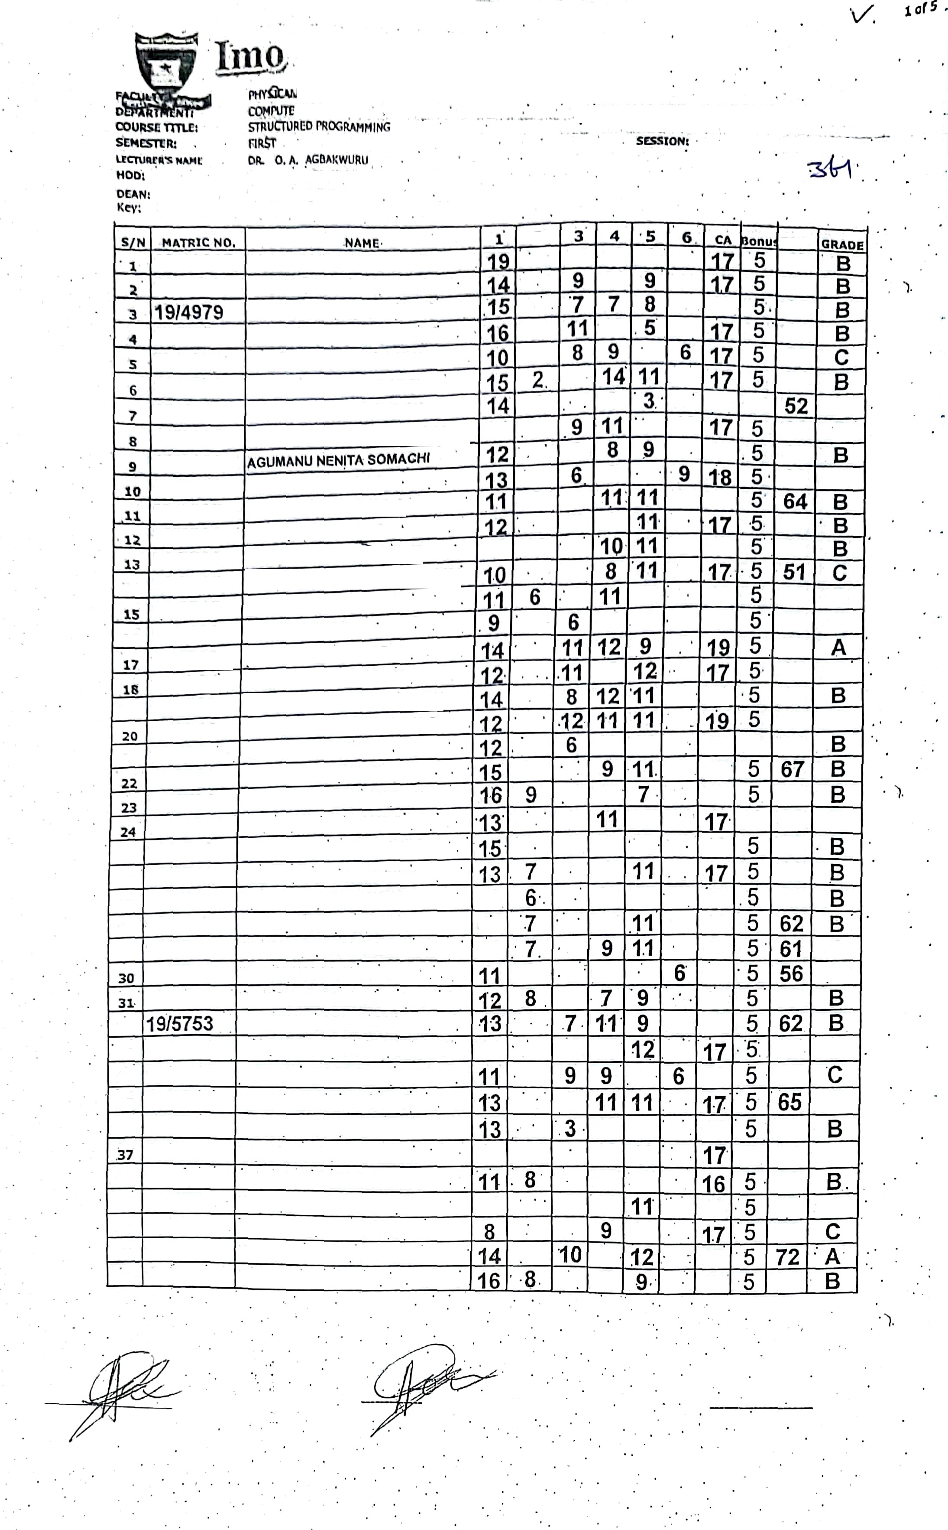
1ccturcr's Slșn/çatc” | —lJOD's Siÿn/Dale Dean's SignAioc

